Test Scripts
Test Scenario# | Scenarios | Expected Results | Actual Results | Pass/ Fail | Comments
TS-1 | Login to myWizard FDS using the link- https://myWizardfds.accenture.com | Successful login to the FDS console home page after clicking on Get Started.
 | Search the Initiative "Dummy_Agile_Rally_Version1_Sanity_FDS" from the scope selector at the top right corner and Click on Apply. | Initiative "Dummy_Agile_Rally_Version1_Sanity_FDS" should get selected successfully
 | Click on the tile 'Agile Command centre' under the Manage tab in myWizard home page. | Agile Command centre tlle should load and open a new tab- https://mywizardfdsagile.accenture.com/Project/25f3d893-f322-41db-a858-cf90721151d6
TS-2 | Click on the Assignment Area dropdown to check whether the teams are getting populated. | Teams(if there is any) should populate in the dropdown.
 | Try accessing all the tiles and check whether the graphs and data are getting populated. | 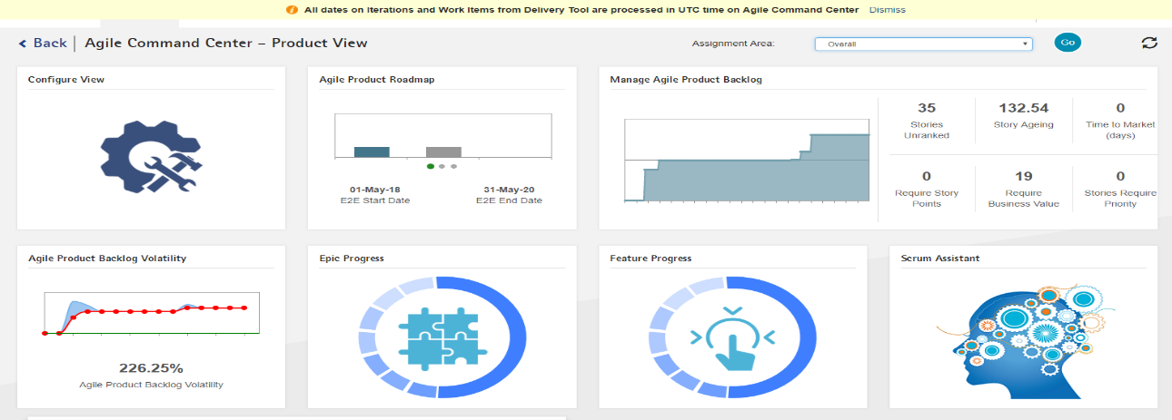 All the tiles and respective graphs should load successfully.
TS-3 | Try accessing the URL - 'https://mywizardfdsagile.accenture.com/Project/25f3d893-f322-41db-a858-cf90721151d6/measuresmetrics' - to land on the measuremetrics page | 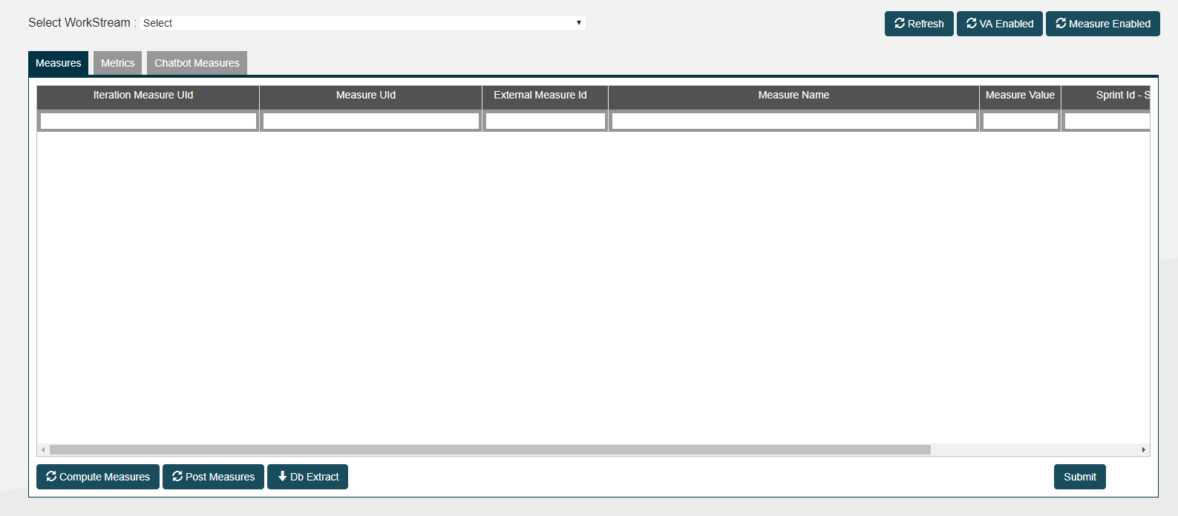 The URL should load and land on the below page.
 | Select any of the Workstream from the "Select Workstream" dropdown. | 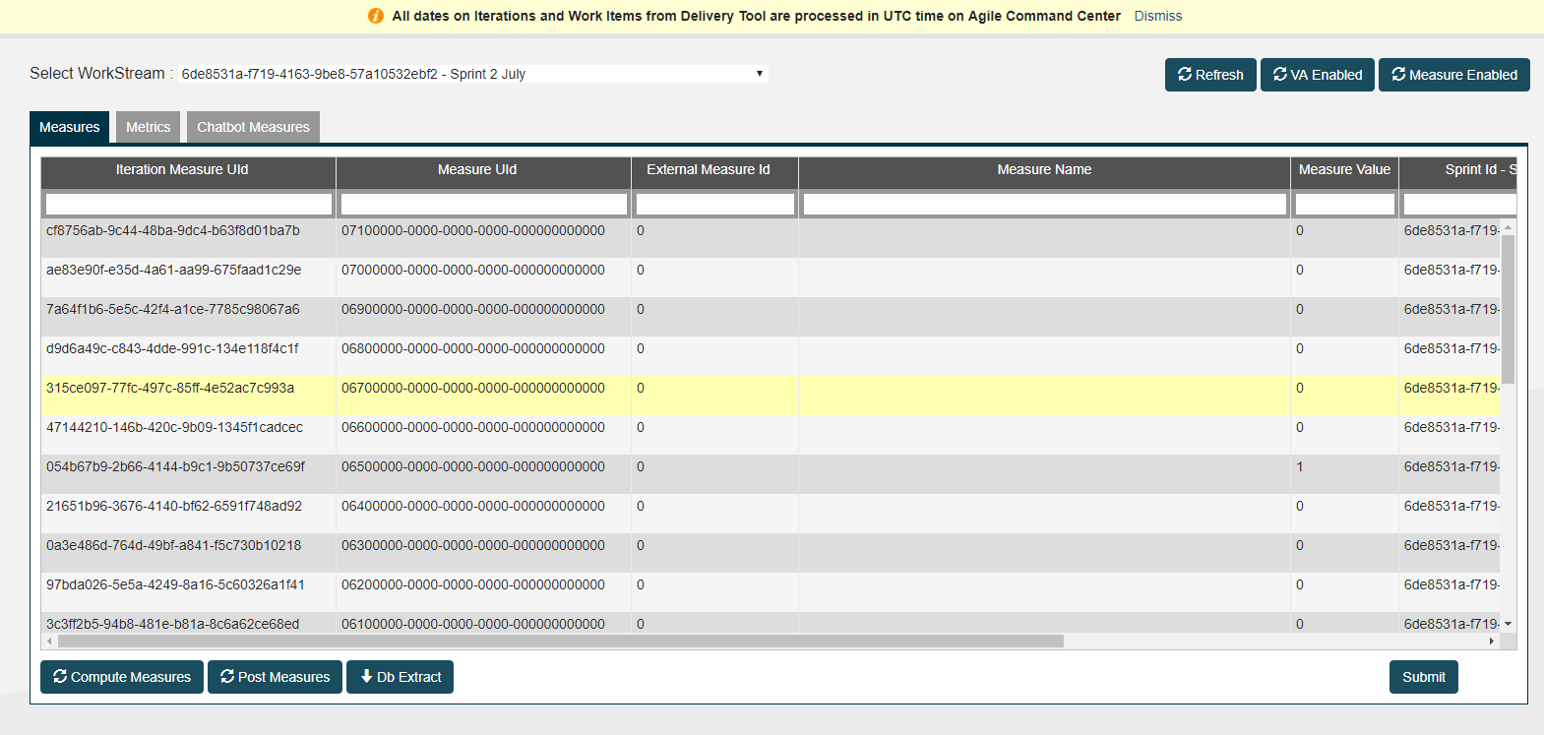 The selected Workstream should load and the respective measures and metrics will get displayed.

